Results
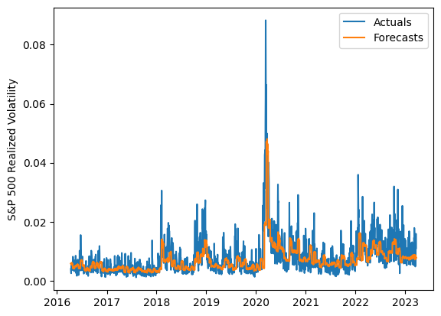
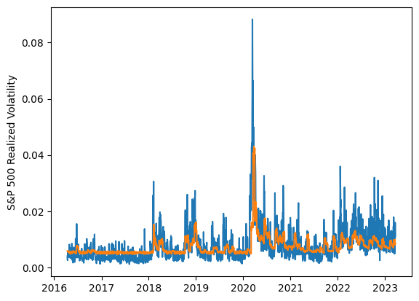
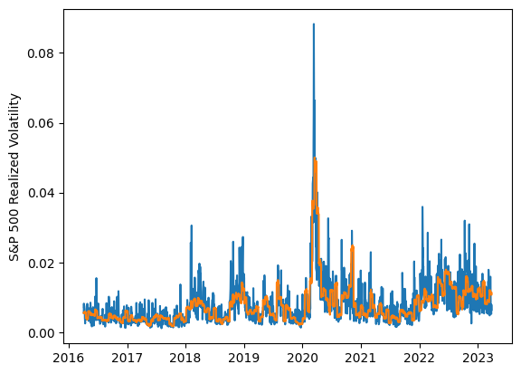
 | LSTM |  |  | TCN |  |  | NBEATSx |  |  |  |  | LSTM |  |  | TCN |  |  | NBEATSx
 | Accuracy | RMSE | Qlike | Accuracy | RMSE | Qlike | Accuracy | RMSE | Qlike |  |  | Accuracy | RMSE | Qlike | Accuracy | RMSE | Qlike | Accuracy | RMSE | Qlike
Trial 1 | 59.11% | 0.303% | 0.126 | 51.68% | 0.316% | 0.153 | 61.33% | 0.285% | 0.114 |  | Mean | 53.54% | 0.315% | 0.145 | 52.87% | 0.317% | 0.148 | 59.97% | 0.292% | 0.119
Trial 2 | 55.87% | 0.308% | 0.135 | 55.05% | 0.317% | 0.142 | 59.75% | 0.294% | 0.123 |  | Standard Deviation | 3.95% | 0.009% | 0.013 | 3.59% | 0.007% | 0.013 | 0.76% | 0.004% | 0.003
Trial 3 | 48.57% | 0.320% | 0.163 | 52.80% | 0.315% | 0.145 | 58.63% | 0.299% | 0.124 |  | 95% CI upper bound | 61.43% | 0.333% | 0.171 | 60.04% | 0.331% | 0.173 | 61.49% | 0.300% | 0.126
Trial 4 | 60.47% | 0.309% | 0.127 | 44.73% | 0.328% | 0.178 | 60.29% | 0.287% | 0.112 |  | 95% CI lower bound | 45.65% | 0.298% | 0.118 | 45.69% | 0.304% | 0.122 | 58.45% | 0.284% | 0.113
Trial 5 | 49.56% | 0.330% | 0.159 | 48.43% | 0.320% | 0.163 | 60.88% | 0.291% | 0.121 |  | 99.7% CI upper bound | 65.38% | 0.342% | 0.184 | 63.63% | 0.337% | 0.186 | 62.25% | 0.304% | 0.130
Trial 6 | 47.60% | 0.330% | 0.166 | 55.59% | 0.310% | 0.138 | 59.77% | 0.294% | 0.122 |  | 99.7% CI lower bound | 41.71% | 0.289% | 0.105 | 42.11% | 0.297% | 0.109 | 57.69% | 0.280% | 0.109
Trial 7 | 53.33% | 0.310% | 0.143 | 54.60% | 0.311% | 0.141 | 60.76% | 0.288% | 0.119
Trial 8 | 56.74% | 0.304% | 0.132 | 47.97% | 0.335% | 0.165 | 59.53% | 0.295% | 0.123
Trial 9 | 51.82% | 0.314% | 0.150 | 50.04% | 0.323% | 0.155 | 59.66% | 0.293% | 0.119
Trial 10 | 48.57% | 0.327% | 0.162 | 54.27% | 0.312% | 0.143 | 59.14% | 0.296% | 0.121
Trial 11 | 56.72% | 0.314% | 0.134 | 53.42% | 0.316% | 0.145 | 59.22% | 0.294% | 0.122
Trial 12 | 51.41% | 0.312% | 0.151 | 55.69% | 0.314% | 0.136 | 60.23% | 0.288% | 0.115
Trial 13 | 55.66% | 0.308% | 0.136 | 56.93% | 0.317% | 0.135 | 59.28% | 0.295% | 0.120
Trial 14 | 53.56% | 0.315% | 0.143 | 56.41% | 0.313% | 0.134 | 60.43% | 0.290% | 0.119
Trial 15 | 54.14% | 0.324% | 0.144 | 55.42% | 0.313% | 0.139 | 60.69% | 0.289% | 0.118

 | LSTM (best trial) |  |  |  |  |  |  |  |  | TCN (best trial) |  |  |  |  |  |  |  |  | NBEATSx (best trial)

